Assumptions
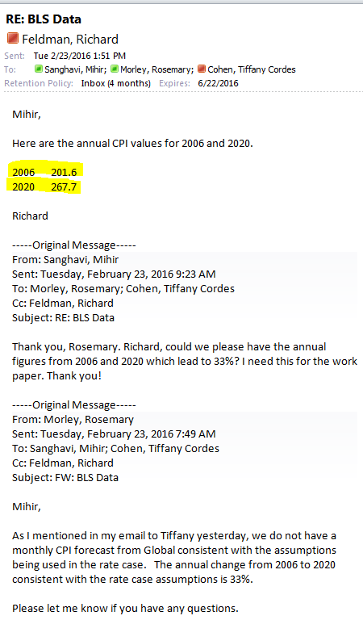
OPC 006669
FPL RC-16

