GL Balance
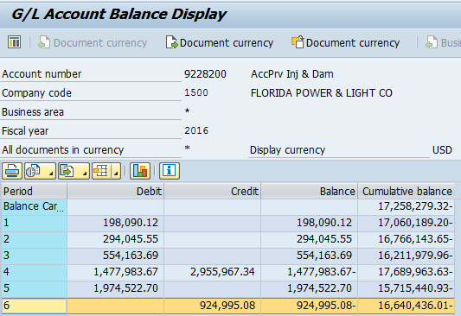
SFHHA 010594
FPL RC-16

