DEF Dashboard
Summary tables for all three sectors (Res/Com/Ind):

Table 1. Theoretical Technical Potential Savings for Residential and Non-Residential Sectors |  |  |  |  |  | Results Compare from 2013 Revision |  |  |  |  | Results Compare from ITRON 2009

 |  | Residential | Non-Residential | Total |  |  | Residential | Non-Residential | Total |  |  | Residential | Non-Residential | Total
 | 2020 Summer Peak (MW) | 4,998 | 3,227 | 8,225 |  | Summer Peak (MW) | 4,713 | 2,277 | 6,990 |  | Summer Peak (MW) | 4,698 | 2,307 | 7,005
 | Technical Summer Peak Savings (MW) | 1,434 | 1,857 | 3,292 |  | Summer Peak Savings (MW) | 735 | 270 | 1,005 |  | Summer Peak Savings (MW) | 734 | 272 | 1,006
 | % of Summer Peak | 29% | 58% | 40% |  | % of Summer Peak | 16% | 12% | 14% |  | % of Summer Peak | 16% | 12% | 14%
 | 2020 Winter Peak (MW) | 5,652 | 3,025 | 8,677 |  | Winter Peak (MW) | 5,262 | 1,546 | 6,808 |  | Winter Peak (MW) | 5,175 | 1,599 | 6,774
 | Technical Winter Peak Savings (MW) | 2,627 | 1,788 | 4,415 |  | Winter Peak Savings (MW) | 868 | 89 | 957 |  | Winter Peak Savings (MW) | 856 | 92 | 948
 | % of Winter Peak | 46% | 59% | 51% |  | % of Winter Peak | 16% | 6% | 14% |  | % of Winter Peak | 17% | 6% | 14%

Table 2. Summer Peak Demand by Segment by Sector

 | Residential |  |  |  | GS |  |  |  | GSD
 | Segment | MW | % of Sector Peak |  | Segment | MW | % of Sector Peak |  | Segment | MW | % of Sector Peak
 | Single Family | 3,575 | 72% |  | 0-15,000 kWh | 153 | 47% |  | 0-50 kW | 677 | 23%
 | Multi-Family | 910 | 18% |  | 15,001-25,000 kWh | 63 | 20% |  | 51-300 kW | 957 | 33%
 | Mobile Home/Other | 513 | 10% |  | 25,001-50,000 kWh | 56 | 17% |  | 301-500 kW | 350 | 12%
 |  |  |  |  | 50,000 kWh+ | 51 | 16% |  | 501 kW+ | 919 | 32%
 | Total | 4,998 | 100% |  | Total | 324 | 100% |  | Total | 2,903 | 100%

Table 3. Winter Peak Demand by Segment by Sector

 | Residential |  |  |  | GS |  |  |  | GSD
 | Segment | MW | % of Sector Peak |  | Segment | MW | % of Sector Peak |  | Segment | MW | % of Sector Peak
 | Single Family | 4,063 | 72% |  | 0-15,000 kWh | 126 | 46% |  | 0-50 kW | 636 | 23%
 | Multi-Family | 959 | 17% |  | 15,001-25,000 kWh | 57 | 21% |  | 51-300 kW | 823 | 30%
 | Mobile Home/Other | 630 | 11% |  | 25,001-50,000 kWh | 50 | 18% |  | 301-500 kW | 315 | 11%
 |  |  |  |  | 50,000 kWh+ | 38 | 14% |  | 501 kW+ | 980 | 36%
 | Total | 5,652 | 100% |  | Total | 271 | 100% |  | Total | 2,754 | 100%

Table 4. Summer Peak Potential by End Use by Sector (UNADJUSTED)

 | Residential |  |  |  | GS |  |  |  | GSD
 | End Use | MW | % of Sector Peak |  | End Use | MW | % of Sector Peak |  | End Use | MW | % of Sector Peak
 | Space Heating | 0 | 0% |  | Space Heating | 0 | 0% |  | All | 2,903 | 100%
 | Space Cooling | 2,932 | 59% |  | Space Cooling | 143 | 44%
 | Water Heater | 338 | 7%
 | Pool Pump | 287 | 6%
 | Total | 3,557 | 71% |  | Total | 143 | 44% |  | Total | 2,903 | 100%

Table 5. Winter Peak Potential by End Use by Sector (UNADJUSTED)

 | Residential |  |  |  | GS |  |  |  | GSD
 | End Use | MW | % of Sector Peak |  | End Use | MW | % of Sector Peak |  | End Use | MW | % of Sector Peak
 | Space Heating | 3,669 | 65% |  | Space Heating | 86 | 32% |  | All | 2,754 | 100%
 | Space Cooling | 0 | 0% |  | Space Cooling | 0 | 0%
 | Water Heater | 651 | 12%
 | Pool Pump | 218 | 4%
 | Total | 4,538 | 80% |  | Total | 86 | 32% |  | Total | 2,754 | 100%

Table 6. Summer Peak Potential by End Use by Sector (ADJUSTED FOR EXISTING DR)

 | Residential |  |  |  | GS |  |  |  | GSD
 | End Use | MW | % of Sector Peak |  | End Use | MW | % of Sector Peak |  | End Use | MW | % of Sector Peak
 | Space Heating | 0 | 0% |  | Space Heating | 0 | 0% |  | All | 2,266 | 78%
 | Space Cooling | 2,127 | 43% |  | Space Cooling | 143 | 44%
 | Water Heater | 246 | 5%
 | Pool Pump | 209 | 4%
 | Total | 2,581 | 52% |  | Total | 143 | 44% |  | Total | 2,266 | 78%

Table 7. Winter Peak Potential by End Use by Sector (ADJUSTED FOR EXISTING DR)

 | Residential |  |  |  | GS |  |  |  | GSD
 | End Use | MW | % of Sector Peak |  | End Use | MW | % of Sector Peak |  | End Use | MW | % of Sector Peak
 | Space Heating | 2,663 | 47% |  | Space Heating | 86 | 32% |  | All | 1,950 | 71%
 | Space Cooling | 0 | 0% |  | Space Cooling | 0 | 0%
 | Water Heater | 474 | 8%
 | Pool Pump | 159 | 3%
 | Total | 3,295 | 58% |  | Total | 86 | 32% |  | Total | 1,950 | 71%

Table 8. Summer Peak Potential by End Use by Sector (ADJUSTED FOR EE MEASURES AND FOR EXISTING DR)
Space Heating | 86
Space Cooling | 0
 | 1
 | 1
 | 1
 | 1
 | Residential |  |  |  | GS |  |  |  | GSD
 | End Use | MW | % of Sector Peak |  | End Use | MW | % of Sector Peak |  | End Use | MW | % of Sector Peak
 | Space Heating | 0 | 0% |  | Space Heating | 0 | 0% |  | All | 1,754 | 60%
 | Space Cooling | 1,066 | 21% |  | Space Cooling | 104 | 32%
 | Water Heater | 188 | 4%
 | Pool Pump | 181 | 4%
 | Total | 1,434 | 29% |  | Total | 104 | 32% |  | Total | 1,754 | 60%

Table 9. Winter Peak Potential by End Use by Sector (ADJUSTED FOR EE MEASURES AND FOR EXISTING DR)

 | Residential |  |  |  | GS |  |  |  | GSD
 | End Use | MW | % of Sector Peak |  | End Use | MW | % of Sector Peak |  | End Use | MW | % of Sector Peak
 | Space Heating | 2,196 | 39% |  | Space Heating | 73 | 27% |  | All | 1,715 | 62%
 | Space Cooling | 0 | 0% |  | Space Cooling | 0 | 0%
 | Water Heater | 354 | 6%
 | Pool Pump | 76 | 1%
 | Total | 2,627 | 46% |  | Total | 73 | 27% |  | Total | 1,715 | 62%

 | Residential
 | End Use | Summer MW | Winter MW |  | End Use | Summer MW | Winter MW |  | GSD
 | Space Heating | 0 | 2,196 |  | Space Heating | 0 | 73 |  | Segment | Summer MW | Winter MW
 | Space Cooling | 1,066 | 0 |  | Space Cooling | 104 | 0 |  | 0-50 kW | 503 | 537
 | Water Heater | 188 | 354 |  |  |  |  |  | 51-300 kW | 702 | 684
 | Pool Pump | 181 | 76 |  |  |  |  |  | 301-500 kW | 174 | 160
 | Total | 1,434 | 2,627 |  | Total | 104 | 73 |  | 501 kW+ | 374 | 334
 |  |  |  |  |  |  |  |  | Total | 1,754 | 1,715

 |  | Residential | Non-Residential | Total
 | 2020 Summer Peak (MW) | 4,998 | 3,227 | 8,225
 | Technical Summer Peak Savings (MW) | 1,434 | 1,857 | 3,292
 | % of Summer Peak | 29% | 58% | 40%
 | 2020 Winter Peak (MW) | 5,652 | 3,025 | 8,677
 | Technical Winter Peak Savings (MW) | 2,627 | 1,446 | 4,073
 | % of Winter Peak | 46% | 48% | 47%

 |  | 2020 Summer Peak (MW) | Technical Summer Peak Savings (MW) | % of Summer Peak | 2020 Winter Peak (MW) | Technical Winter Peak Savings (MW) | % of Winter Peak
 | Residential | 4,998 | 1,434 | 29% | 5,652 | 2,627 | 46%
 | Non-Residential | 3,227 | 1,857 | 58% | 3,025 | 1,446 | 48%
 | Total | 8,225 | 3,292 | 40% | 8,677 | 4,073 | 47%

DEF Inputs
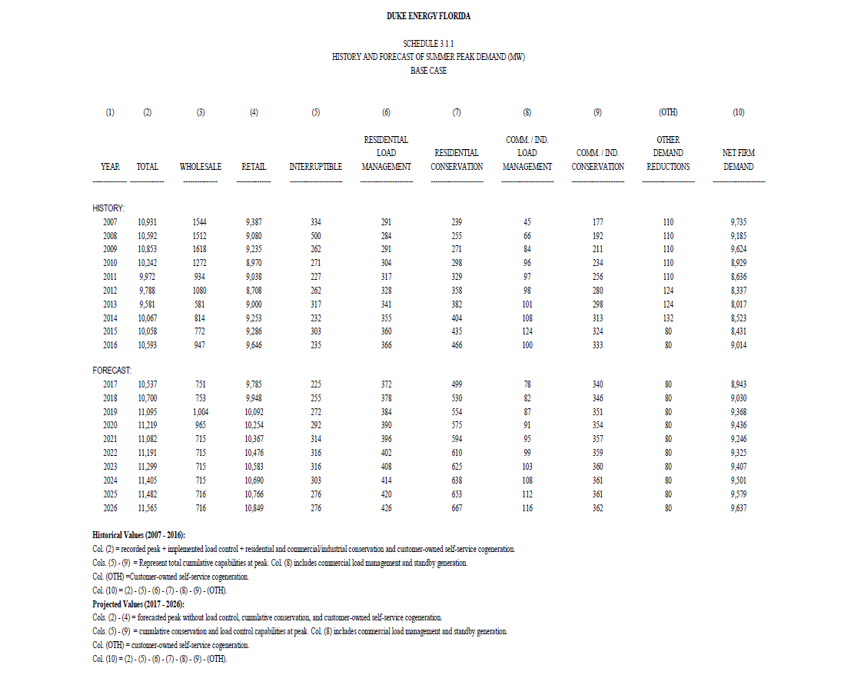
DEF Technical Potential - 2018 Study (Scaled to 2020)
 | Res Curtailable Load (MW) | GS Curtailable Load (MW) | GSD Curtailable Load (MW) | Non-Res Curtailable | Total Curtailable Load (MW) | System Load (MW) | % of System Load
Summer | 2,581 | 143 | 2,502 | 2,645 | 5,510 | 9,193 | 56.9%
Winter | 3,295 | 86 | 2,352 | 2,438 | 6,024 | 9,537 | 60.1%

DEF Technical Potential - 2009 Study
 | Res Curtailable Load (MW) | GS Curtailable Load (MW) | GSD Curtailable Load (MW) | Non-Res Curtailable | Total Curtailable Load (MW) | Res Baseline | NonRes Baseline | System Load (MW) | % of System Load
Summer | 734 | 252 | 20 | 272 | 1,006 | 4,698 | 2,307 | 7,005 | 14.4%
Winter | 856 | 86 | 6 | 92 | 948 | 5,175 | 1,599 | 6,773 | 14.0%
DEF Technical Potential - 2014 Study
 | Res Curtailable Load (MW) | GS Curtailable Load (MW) | GSD Curtailable Load (MW) | Non-Res Curtailable | Total Curtailable Load (MW) | Res Baseline | NonRes Baseline | System Load (MW) | % of System Load
Summer | 735 | 250 | 20 | 270 | 1,005 | 4,713 | 2,277 | 6,990 | 14.4%
Winter | 868 | 83 | 6 | 89 | 957 | 5,262 | 1,546 | 6,809 | 14.1%

Winter Peak Loads (kW)
 | Res Segments Heating Load (kW) |  | GS Segments Heating Load (kW) |  | GSD Segments Total Load (kW) |  | Residential Pool Pump and Water Heater Load
Population | Single Family | 1,452,979 | 0-15,000 kWh | 33,176 | 0-50 kW | 492,511 | SF Pool Pump | - | SF Water Heater | 222,274
 | Multi-Family | 424,913 | 15,001-25,000 kWh | 15,473 | 51-300 kW | 627,324 | MF Pool Pump | - | MF Water Heater | 115,215
 | Mobile Home/Other | 269,782 | 25,001-50,000 kWh | 12,912 | 301-500 kW | 147,008 | MH Pool Pump | - | MH Water Heater | 44,367
 | Total | 2,147,674 | 50,001 kWh + | 7,911 | 501 kW + | 305,876 | Total Pool Pump | 128,049 | Total Water Heater | 381,856
 |  |  | Total | 69,471 | Total | 1,572,719

Summer Peak Loads by End Use (kW)
 | Res Segments Cooling Load (kW) |  | GS Segments Cooling Load (kW) |  | GSD Segments Total Load (kW) |  | Residential Pool Pump and Water Heater Load
Population | Single Family | 1,410,266 | 0-15,000 kWh | 83,177 | 0-50 kW | 613,870 | SF Pool Pump | - | SF Water Heater | 135,188
 | Multi-Family | 342,967 | 15,001-25,000 kWh | 22,811 | 51-300 kW | 857,049 | MF Pool Pump | - | MF Water Heater | 70,074
 | Mobile Home/Other | 254,687 | 25,001-50,000 kWh | 13,982 | 301-500 kW | 212,383 | MH Pool Pump | - | MH Water Heater | 26,984
 | Total | 2,007,919 | 50,001 kWh + | 15,228 | 501 kW + | 456,451 | Total Pool Pump | 197,257 | Total Water Heater | 232,246
 |  |  | Total | 135,198 | Total | 2,139,753

2016 Technical Potential with DR Adjustment
 | Peak Day | Peak Hour (HE) | Residential Curtailable Load (MW) | Total Residential Load (MW)* | GS Curtailable Load (MW) | GS Total Load (MW) | GSD Curtailable Load (MW) | Total Curtailable Load (MW) | System Load (MW) | % of System Load
Summer | 22-Aug-16 | 17 | 2,437 | 4,678 | 135 | 322 | 2,140 | 4,712 | 8,680 | 54.3%
Winter | 25-Jan-16 | 8 | 2,658 | 4,774 | 69 | 228 | 1,573 | 4,300 | 7,691 | 55.9%

2016 Technical Potential Without DR Adjustment
 | Peak Day | Peak Hour (HE) | Residential Heating/Cooling Curtailable Load (MW) | Residential Water Heater Curtailable Load | Residential Pool Pump Curtailable Load | GS Heating/Cooling Curtailable Load | GSD Curtailable Load (MW)
Summer | 22-Aug-16 | 17 | 2,768 | 319 | 271 | 135 | 2,741
Winter | 25-Jan-16 | 8 | 2,959 | 525 | 176 | 69 | 2,221

ADJUSTED TP RESULTS for Both EE and DR
RES |  |  |  |  |  |  | SMB |  |  | LCI
Housing Type | Winter Res Heating (kW) | Summer Res Cooling (kW) | Summer Res Pool Pump (kW) | Summer Res Water Heater (kW) | Winter Res Pool Pump (kW) | Winter Res Water Heater (kW) | Segment | SMB Heating (kW) | SMB Cooling (kW) | Segment | LCI Winter kW | LCI Summer kW
Single Family | 1,485,571 | 748,362 | 181,081 | 109,332 | 76,380 | 206,218 | 0-15,000 kWh | 34,849 | 63726 | 0-50 kW | 537,123 | 503,124
Multi Family | 434,444 | 181,996 |  | 56,672 |  | 106,893 | 15,001-25,000 kWh | 16,253 | 17477 | 51-300 kW | 684,147 | 702,432
Mobile Home/Other | 275,834 | 135,150 |  | 21,823 |  | 41,162 | 25,001-50,000 kWh | 13,563 | 10,712 | 301-500 kW | 160,325 | 174,068
 |  |  |  |  |  |  | 50,001 kWh + | 8,309 | 11,667 | 501 kW + | 333,583 | 374,104
%Diff between 2016 and 2020 system peak (from 10 year site plan):
Summer: | 6% |  | 2016 Peak Load By Segments (No Disaggregation)
Winter: | 24% |  | Customer Counts (ALL CUSTOMERS INCL. DR) |  | Avg Winter Peak | Avg Summer Peak | Winter Peak Load | Summer Peak Load
 |  |  | Single Family | 924,706 | 3.54 | 3.65 | 3,276,173 | 3,375,723
 |  |  | Multi-Family | 431,225 | 1.79 | 1.99 | 773,276 | 858,797
 |  |  | Mobile Home/Other | 168,898 | 3.01 | 2.87 | 508,315 | 484,677
 |  |  | Total | 1,524,829 |  |  | 4,557,764 | 4,719,197

0-50 kW | 44,938 |  | 0-15,000 kWh | 124,529 | 0.81 | 1.16 | 101,423 | 144,434
51-300 kW | 10,922 |  | 15,001-25,000 kWh | 14,816 | 3.09 | 4.04 | 45,761 | 59,837
301-500 kW | 1,067 |  | 25,001-50,000 kWh | 7,474 | 5.40 | 7.10 | 40,387 | 53,073
501 kW + | 1,160 |  | 50,001 kWh + | 3,032 | 10.18 | 15.94 | 30,855 | 48,315
Total | 58,087 |  | Total | 149,851 |  |  | 218,425 | 305,660
 |  |  | 0-50 kW | 44,938 | 11.42 | 14.23 | 513,097 | 639,577
 |  |  | 51-300 kW | 10,922 | 60.75 | 82.75 | 663,570 | 903,836
 |  |  | 301-500 kW | 1,067 | 237.70 | 309.67 | 253,703 | 330,511
 |  |  | 501 kW + | 1,160 | 681.51 | 747.82 | 790,611 | 867,531
 |  |  | Total | 58,087 |  |  | 2,220,982 | 2,741,455

 |  |  |  |  |  |  |  |  |  |  |  |  | Table 4-7: 2013 Forecast Refresh of iTron DR Technical Potential Study
 |  |  |  |  |  |  |  |  |  |  |  |  | Summer System Peak |  |  |  |  | Winter System Peak
 |  |  |  |  |  |  |  |  |  |  |  |  | Baseline | High |  | Low |  | Baseline | High |  | Low
 |  |  |  |  |  |  |  |  |  |  |  |  | (MW) | (MW) | (%) | (MW) | (%) | (MW) | (MW) | (%) | (MW) | (%)
Table 4-7: 2009 DR Technical Potential in PEF by Sector, DR Enabling Technology/Tariff, and Scenario |  |  |  |  |  |  |  |  |  |  |  |  |  | 99 | 2.1% | 174 | 3.7% |  | 105 | 2.0% | 189 | 3.6%
Sector | DR-Enabling Technology and Tariff | Summer System Peak |  |  |  |  |  | Winter System Peak |  |  |  |  |  | 156 | 3.3% | 283 | 6.0% |  | 174 | 3.3% | 310 | 5.9%
 |  | Baseline | High |  |  | Low |  | Baseline | High |  | Low |  |  | 283 | 6.0% | 57 | 1.2% |  | 310 | 5.9% | 63 | 1.2%
 |  | (MW) | (MW) |  | (%) | (MW) | (%) | (MW) | (MW) | (%) | (MW) | (%) |  | 66 | 1.4% | 14 | 0.3% |  | 184 | 3.5% | 37 | 0.7%
Residential | A/C Cycling Switch w/ flat rate |  | 97 |  | 2.1% | 175 | 3.7% |  | 105 | 2.0% | 189 | 3.6% |  | 52 | 1.1% | 9 | 0.2% |  | 11 | 0.2% | 2 | 0.0%
 | A/C Shedding Switch w/ flat rate |  | 157 |  | 3.3% | 282 | 6.0% |  | 169 | 3.3% | 304 | 5.9% |  | 80 | 1.7% | 14 | 0.3% |  | 89 | 1.7% | 16 | 0.3%
 | Smart Thermostats for A/C w/ CPP |  | 282 |  | 6.0% | 56 | 864 |  | 304 | 5.9% | 61 | 1.2% | 4,713 | 735 | 15.6% | 556 | 11.8% | 5,262 | 868 | 16.5% | 621 | 11.8%
 | On-Off Switching via low-power wireless networks for water heating w/ CPP |  | 65 |  | 1.4% | 13 | 0.3% |  | 180 | 3.5% | 36 | 0.7% |  | 108 | 6.2% | 31 | 1.8% |  | 53 | 4.7% | 15 | 1.3%
 | On-Off Switching via low-power wireless networks for pool systems w/ CPP |  | 51 |  | 1.1% | 10 | 0.2% |  | 10 | 0.2% | 2 | 0.0% |  | 142 | 8.2% | 142 | 8.2% |  | 30 | 2.7% | 30 | 2.7%
 | In-home displays and pre-set control strategies w/ CPP |  | 82 |  | 1.7% | 16 | 0.3% |  | 89 | 1.7% | 18 | 0.3% | 1,734 | 250 | 14.4% | 172 | 9.9% | 1,125 | 83 | 7.4% | 45 | 4.0%
 | Total Residential | 4,698 | 734 |  | 15.6% | 553 | 11.8% | 5,175 | 856 | 16.5% | 609 | 11.8% |  | 9 | 1.6% | 3 | 0.5% |  | 4 | 1.0% | 1 | 0.3%
Commercial | Automated control strategies w/ CPP |  | 109 |  | 6.2% | 31 | 1.8% |  | 55 | 4.7% | 16 | 1.3% |  | 11 | 2.0% | 11 | 2.0% |  | 2 | 0.4% | 2 | 0.4%
 | Direct load control system |  | 144 |  | 8.2% | 144 | 8.2% |  | 31 | 2.7% | 31 | 2.7% | 543 | 20 | 3.6% | 13 | 2.4% | 421 | 6 | 1.4% | 3 | 0.7%
 | Total Commercial | 1,757 | 252 |  | 14.4% | 175 | 9.9% | 1,166 | 86 | 7.4% | 47 | 4.0% | 6,990 | 1,004 | 14.4% | 741 | 10.6% | 6,809 | 957 | 14.0% | 669 | 9.7%
Industrial | Automated control Strategies w/ CPP |  | 9 |  | 1.6% | 3 | 0.5% |  | 4 | 1.0% | 1 | 0.3%
 | Direct load control system |  | 11 |  | 2.0% | 11 | 2.0% |  | 2 | 0.4% | 2 | 0.4%
 | Total Industrial | 550 | 20 |  | 3.6% | 13 | 2.4% | 433 | 6 | 1.4% | 3 | 0.7%
TOTAL |  | 7,005 | 1,006 |  | 14.4% | 741 | 10.6% | 6,773 | 948 | 14.0% | 659 | 9.7%

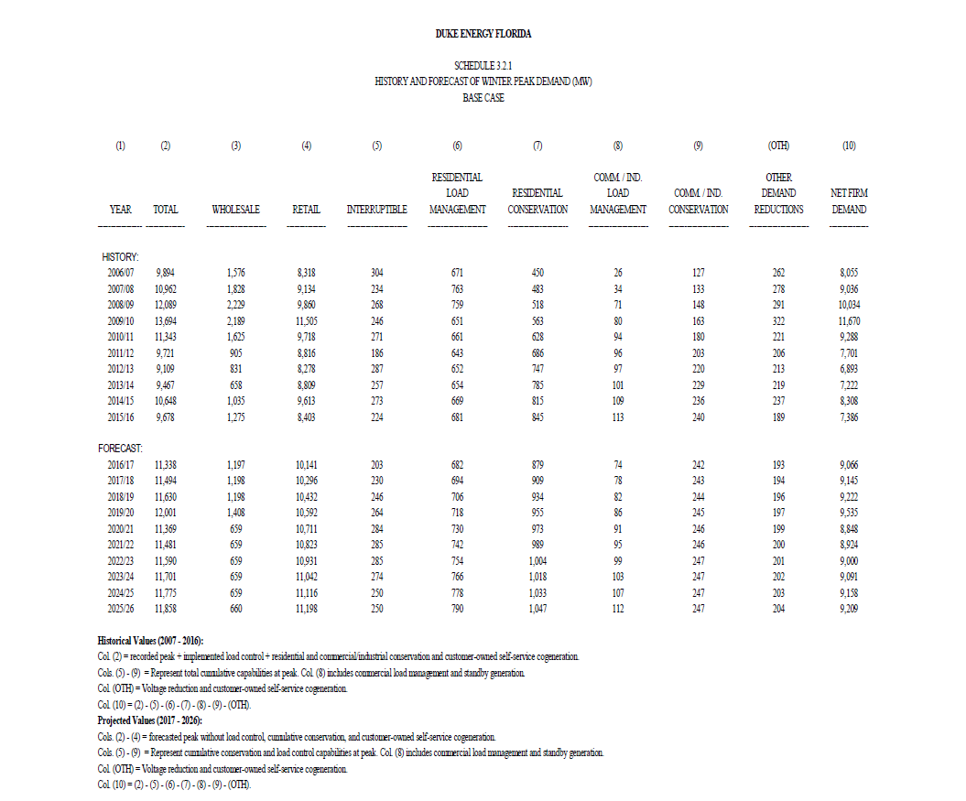
DEF Peak Demand Forecast (from 10 year site plan)

